Programming Admin_Planning
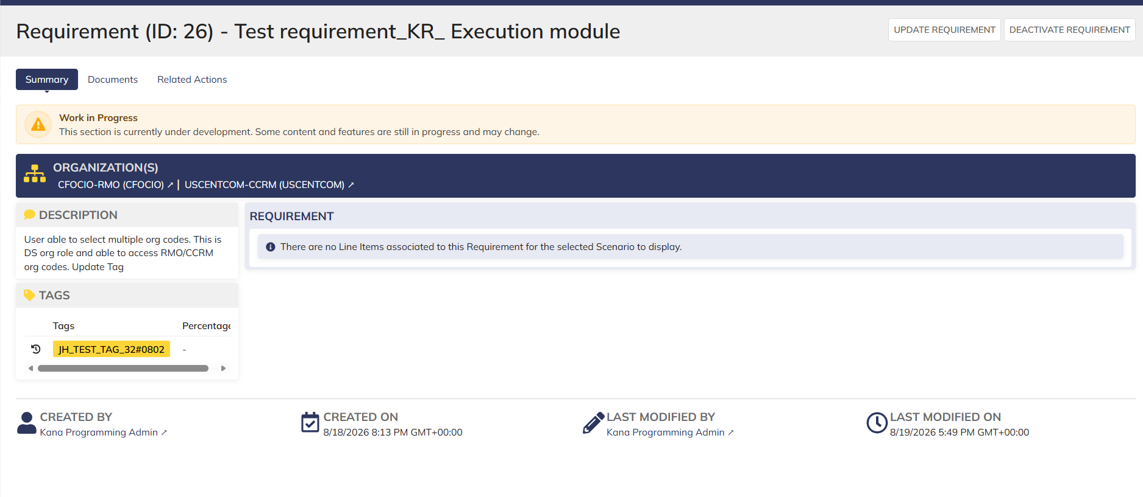
DIABPS Sprint 1.1 - DIABPS-41 TEST CASE SCENARIO |  | TESTER INFO
Test Case ID: | DIABPS_41#01 | Created By: | Kana Raghavan
Test Scenario: | A user with an appropriate role can update a requirement | Created On: | 2026-07-31
User Story: | Update requirement( Planning and Execution Modules) | Reviewed By: | Jordan Helman
Story Description: | As a Programming Admin, user can update a requirement to ensure the necessary content is up to date while tracking items for the fiscal year. | Reviewed On: | 2026-08-14
Environment: | GIBS Test | Executed By:
User Role(s): | Programming Admin for (ES/DS) Org | Executed On:
Pre-Conditions: | User able to login to Planning module successfully as Programming Admin who is assigned to specific Org (ES/DS)
Acceptance Criteria | The user will be able to complete the following information when creating a requirement (fields with an asterisk ( * ) indicate required fields): Title* Text field, 255 character limit Description* Text field, 4000 character limit Organization Code* Multiple-select The options available for selection will be limited to the organizations that the user is a Programming Lead or Programming Admin for at the Resource Management Office, Combatant Command, or Service level Documents File Upload field, 10 document limit Tags System-wide tags are available to select Organization tags are available based on the organization codes selected in AC 1C User has the option to cancel the update The system will record the user who performed the action and the datetime it was performed.

Step Number | Step Description | Input Data | Expected Results | Pass/Fail
STEP 1 | Log in as a user with Programming Admin credential. User should be assigned to a specific Org (ES/DS). https://ams-test.appiancloud.us/suite/ | Username: |  | Pass
STEP 2 | Click on GIBS Planning module on top right dropdown to launch Planning module | N/A | User able to click on dropdown and able to launch Planning module | Pass
STEP 3 | Click on "Requirements" Tab | N/A | User able to click requirements tab and current requirements are displayed with all details | Pass
STEP 4 | User able to view all the requirements listed with below headers ID Title Description Organization code Active | N/A | Current requirements are listed with below fields ID Title Description Organization code Active | Pass
STEP 5 | User clicks on ID to open the requirement | N/A | User able to click on ID and requirement screen is displayed | Pass
STEP 6 | Requirement screen is displayed with Requirement ID, Title as header Update Requirement option is enabled and displayed on top right corner Sub-tabs are displayed and user able to click on below tabs: Summary Documents Related actions | N/A | Requirement screen with details and Update requirement option is displayed and user able to click on all sub-tabs successfully | Pass
STEP 7 | User clicks on "Update Requirement" from Summary sub tab | N/A | User successfully clicks on update requirement option and requirement screen to edit is displayed | Pass
STEP 8 | User edits the following fields in the screen Title Description Able to select and deselect Tags Upload document Organization code displayed as hyperlink (cannot edit this field) | User Input below Data: Title-Test Case DIA BPS #41 Description- Updated requirement to test scenario as part of Sprint 1 | User successfully edits fields | Pass
STEP 9 | Click on "Update Requirement" button | N/A | User able to click on "Update requirement" and "Action Completed" is displayed | Pass
STEP 10 | On Summary Screen system will record the user who performed the action and the datetime it was performed. Below details are displayed for successful update Created By Created On Last Modified By Last Modified On | N/A | System successfully records the update and is displayed | Pass
STEP 11 | User able to perform steps 8-10 by clicking on "Update Requirement" option from "Related Action" Tab | Same as Steps 8-10 | User able to successfully update requirement and records are updated accordingly | Pass

Evidences

 | Login as ES Programming Admin

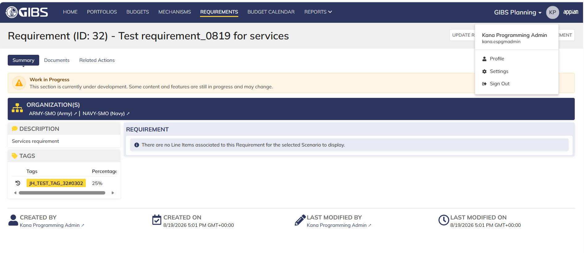

 | User clicks on Requirement ID

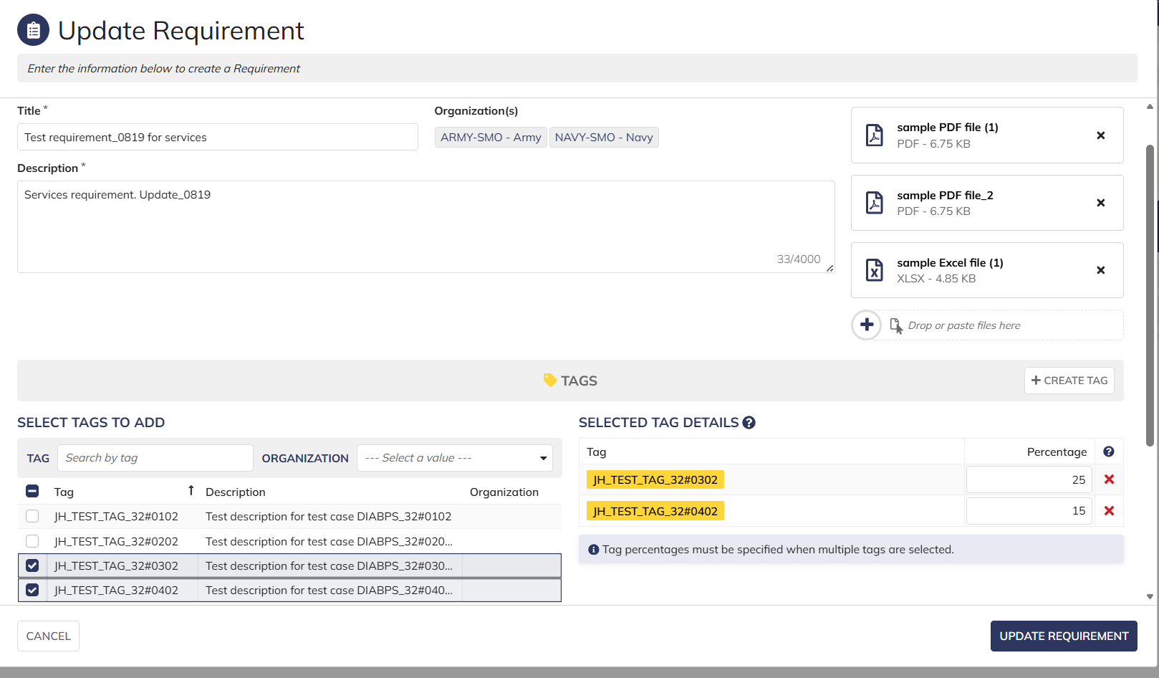

 | After clicking Update requirement, screen displayed with updated items. System recorded information is displayed

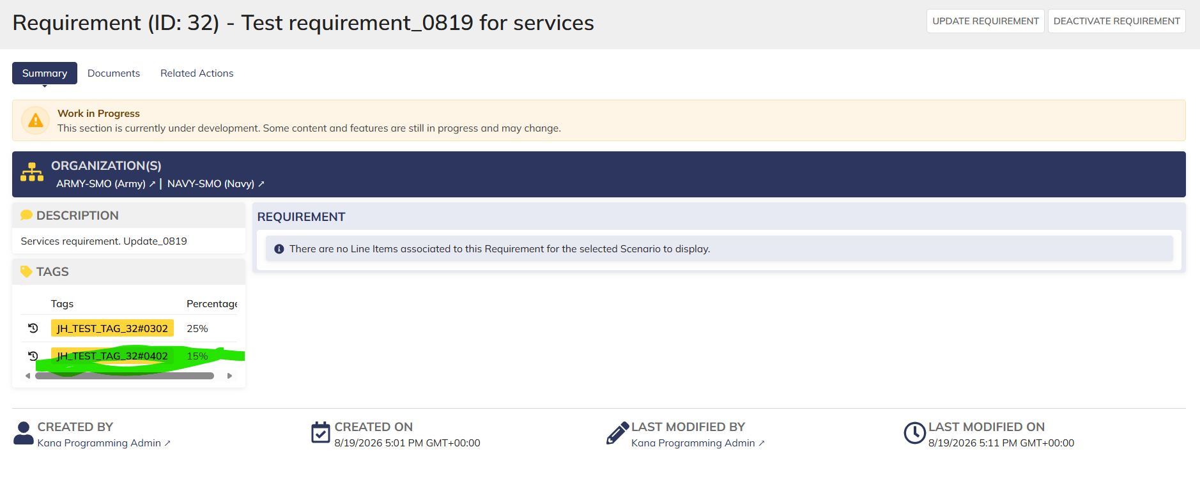

 | Login as DS Programming Admin- Only RMO/CCRM org codes requirements are displayed

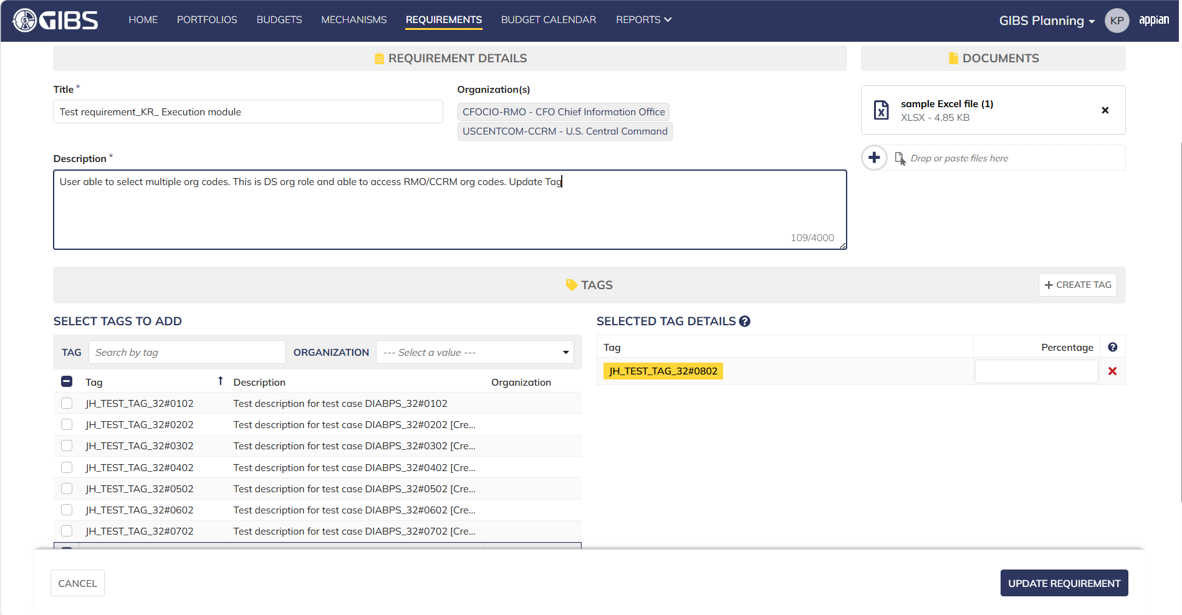

 | Newly added Tag

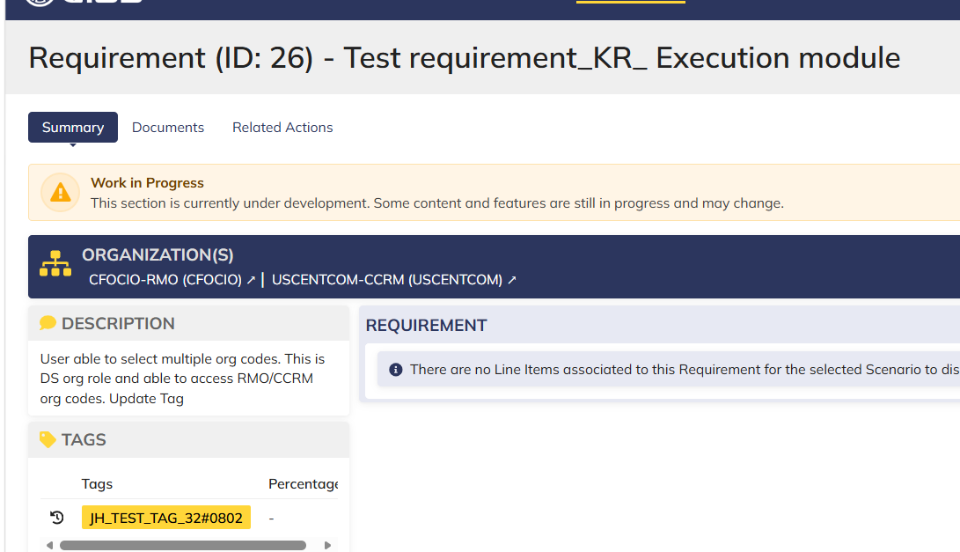

 | System information captured

Programming Admin_Execution

DIABPS Sprint 1.1 - DIABPS-41 TEST CASE SCENARIO |  | TESTER INFO
Test Case ID: | DIABPS_41#01 | Created By: | Kana Raghavan
Test Scenario: | A user with an appropriate role can update a requirement | Created On: | 2026-07-31
User Story: | Update requirement( Planning and Execution Modules) | Reviewed By: | Jordan Helman
Story Description: | As a Programming Admin, user can update a requirement to ensure the necessary content is up to date while tracking items for the fiscal year. | Reviewed On: | 2026-08-14
Environment: | GIBS Test | Executed By:
User Role(s): | Programming Admin for (ES/DS) Org | Executed On:
Pre-Conditions: | User able to login to Execution module successfully as Programming Admin who is assigned to specific Org (ES/DS)
Acceptance Criteria | The user will be able to complete the following information when creating a requirement (fields with an asterisk ( * ) indicate required fields): Title* Text field, 255 character limit Description* Text field, 4000 character limit Organization Code* Multiple-select The options available for selection will be limited to the organizations that the user is a Programming Lead or Programming Admin for at the Resource Management Office, Combatant Command, or Service level Documents File Upload field, 10 document limit Tags System-wide tags are available to select Organization tags are available based on the organization codes selected in AC 1C User has the option to cancel the update The system will record the user who performed the action and the datetime it was performed.

Step Number | Step Description | Input Data | Expected Results | Pass/Fail
STEP 1 | Log in as a user with Programming Admin credential. User should be assigned to a specific Org (ES/DS). https://ams-test.appiancloud.us/suite/ | Username:kraghavan@gswell.com
STEP 2 | Click on GIBS Execution module on top right dropdown to launch Execution module | N/A | User able to click on dropdown and able to launch Execution module
STEP 3 | Click on "Requirements" Tab | N/A | User able to click requirements tab and current requirements are displayed with all details
STEP 4 | User able to view all the requirements listed with below headers ID Title Description Organization code Active | N/A | Current requirements are listed with below fields ID Title Description Organization code Active
STEP 5 | User clicks on ID to open the requirement | N/A | User able to click on ID and requirement screen is displayed
STEP 6 | Requirement screen is displayed with Requirement ID, Title as header Update Requirement option is enabled and displayed on top right corner Sub-tabs are displayed and user able to click on below tabs: Summary Documents Related actions | N/A | Requirement screen with details and Update requirement option is displayed and user able to click on all sub-tabs successfully
STEP 7 | User clicks on "Update Requirement" from Summary sub tab | N/A | User successfully clicks on update requirement option and requirement screen to edit is displayed
STEP 8 | User edits the following fields in the screen Title Description Able to select and deselect Tags Upload document Organization code displayed as hyperlink (cannot edit this field) | User Input below Data: Title-Test Case DIA BPS #41 Description- Updated requirement to test scenario as part of Sprint 1 | User successfully edits fields
STEP 9 | Click on "Update Requirement" button | N/A | User able to click on "Update requirement" and "Action Completed" is displayed
STEP 10 | On Summary Screen system will record the user who performed the action and the datetime it was performed. Below details are displayed for successful update Created By Created On Last Modified By Last Modified On | N/A | System successfully records the update and is displayed
STEP 11 | User able to perform steps 8-10 by clicking on "Update Requirement" option from "Related Action" Tab | Same as Steps 8-10 | User able to successfully update requirement and record is updated accordingly

Evidences

 | Login as DS Programming Admin- Execution Module

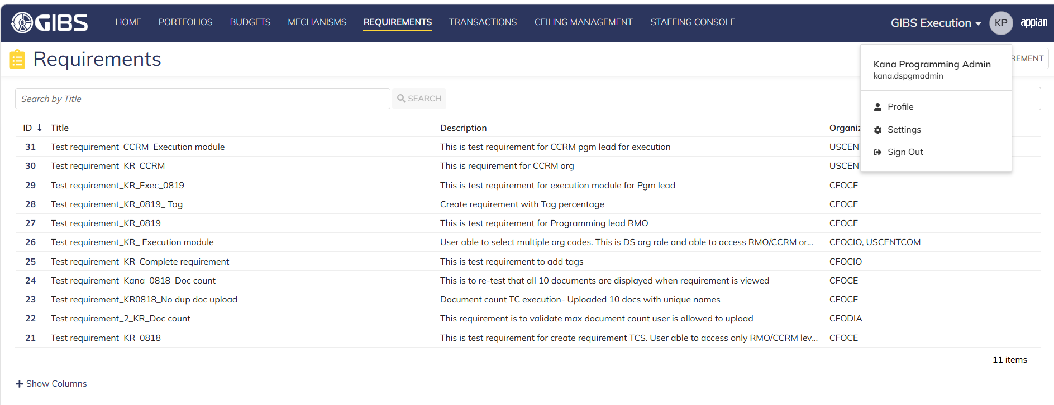

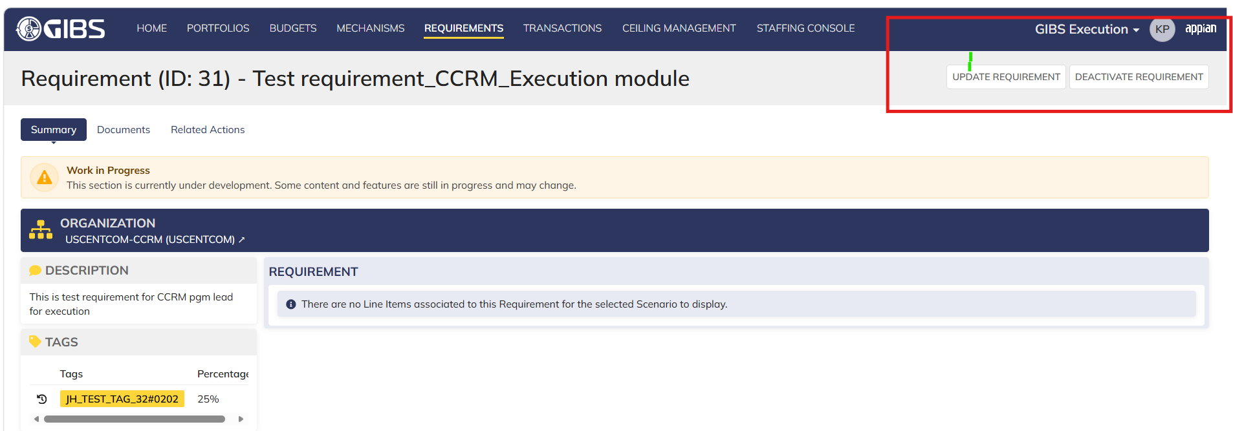

 | User able to upload document, update desc and add multiple tags

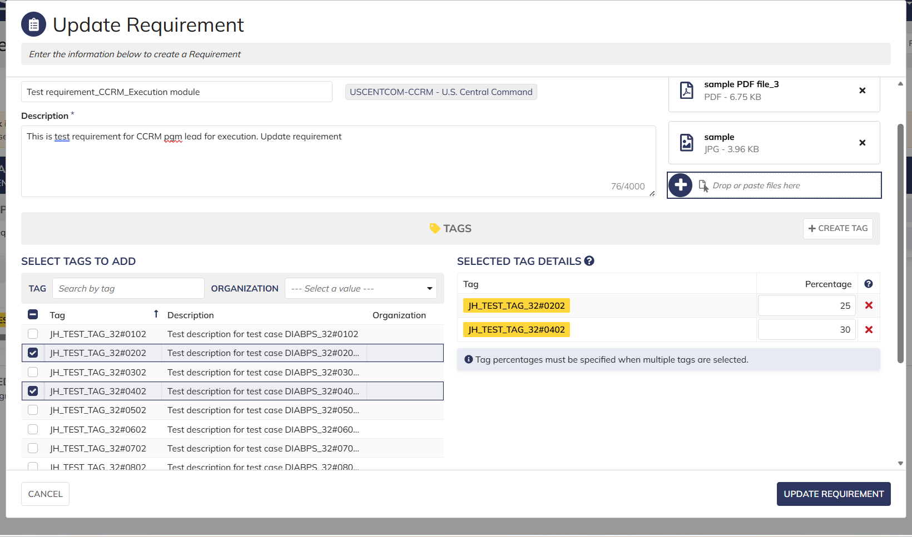

 | Login as ES Programming Admin- Execution Module
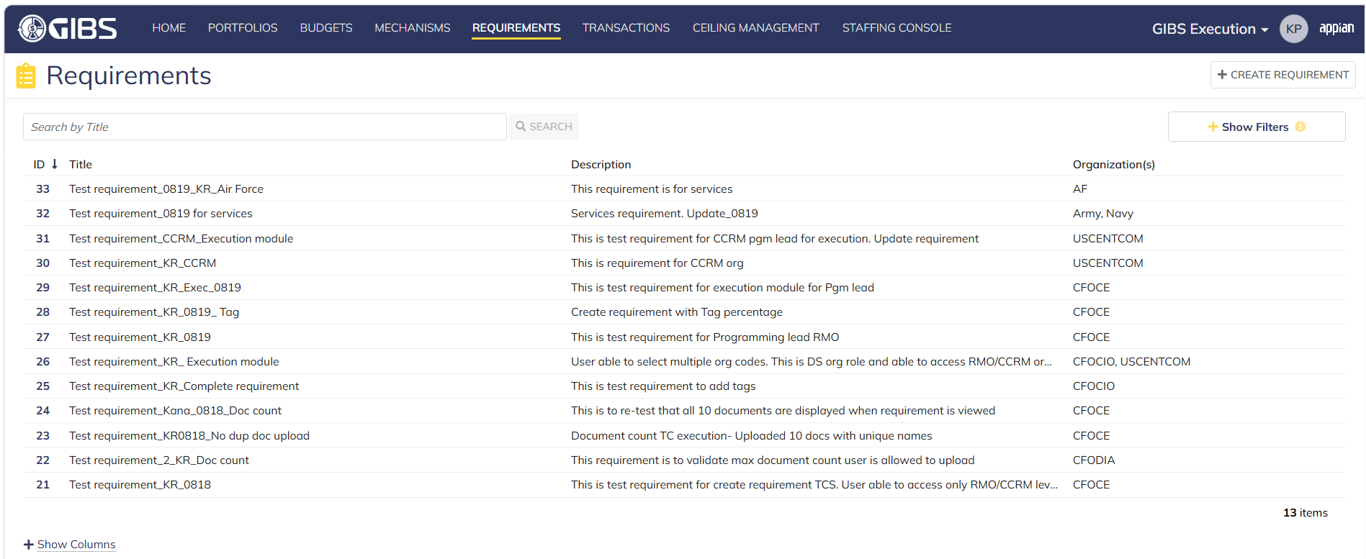

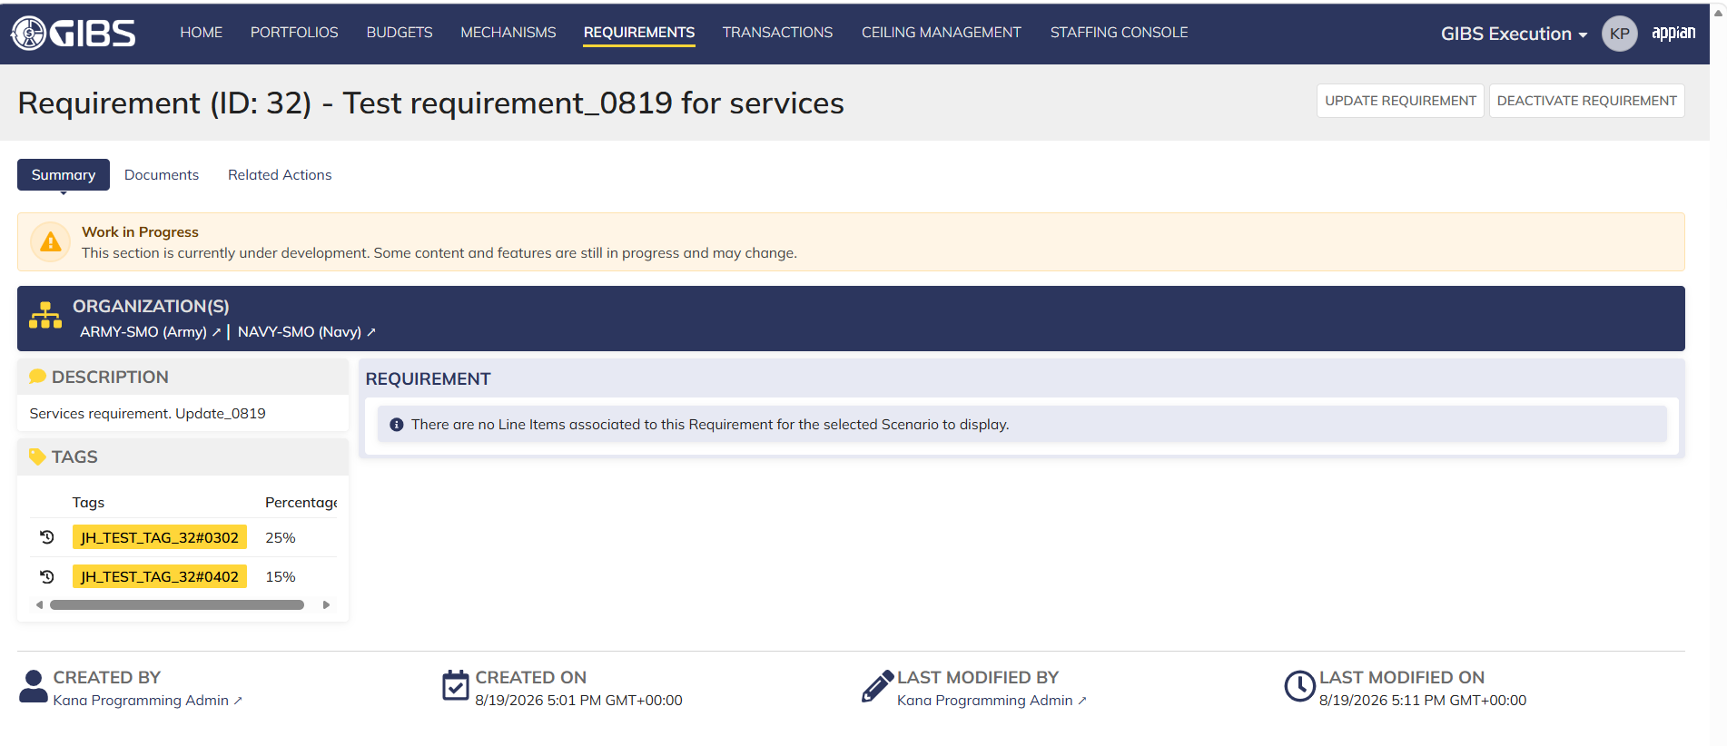

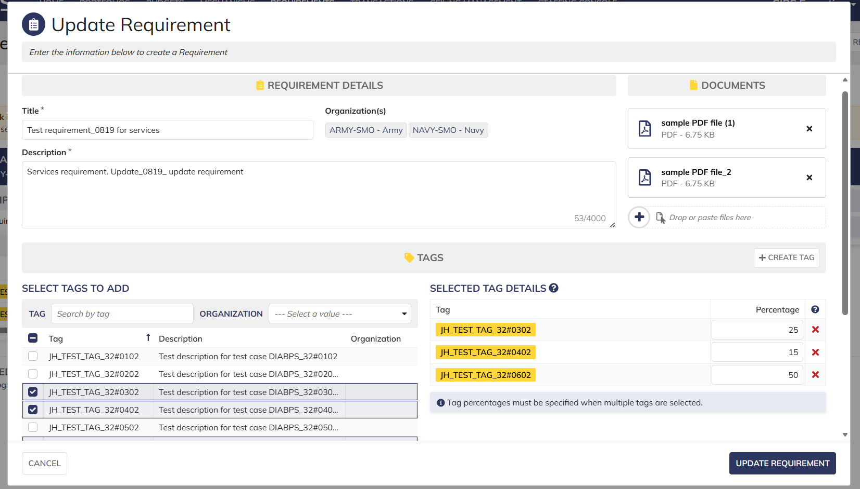

 | System information updated, Tags and description updated

